Layout
FERTILIZER LABORATORY LAYOUT

Medicine Storage
Medicine Freezer
Refrigerating Showcase
A.Draft Chamber
Laboratory Table
Laboratory Table
Sink
Drying Shelf

medicine Stirage Room

Shelf
Shelf

7.0m
Laboratory Table
Sink
Laboratory Table
Analysis Room
Laboratory Table

Shelf

Analysis Room
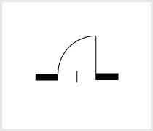
Laboratory Table

Laboratory Table
Treatment Room

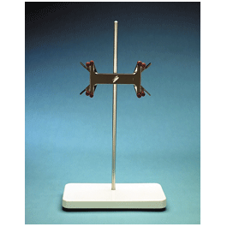

Balance
Table

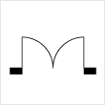
Balance Room
Shelf
Shelf
Waste Water Storage

3.0m
7.0m

10.0m

Equipment list
 |  |  |  |  |  |  |  |  |  | 21-Mar-2017
Category | No. | Item | Producer | Model | Picture | Unit Price (VND) | Quantity | Unit | Sub Total (VND) | Remark
 | 1 | Kjeldahl Digestion Units | VELP | DK 20 | 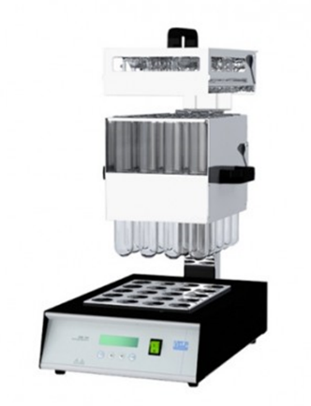 |  | 1 | Unit | 0 | 20-position with 250 mL tubes, Ø 42 mm
 | 2 | Recirculating Water Pump | VELP | JP | 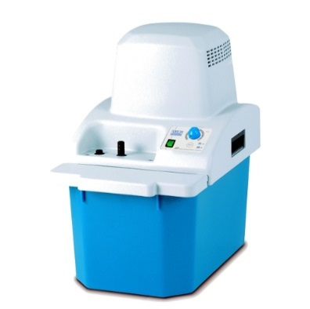 |  | 1 | Unit | 0
 | 3 | Scrubber | VELP | SMS |  |  | 1 | Unit | 0
 | 4 | Kjeldahl Distillation Unit | VELP | UDK 159: Automatic Distillation & Titration System | 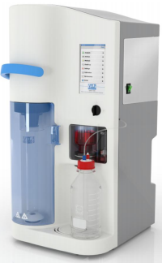 |  | 1 | Unit | 0 | All-in-one Solution: Integrated Distillation & Colorimetric Titration System
P | 5 | Spectrophotometer | Jasco | V730 | 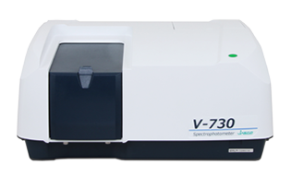 |  | 1 | Unit | 0
K | 6 | Flame Photometer | Jenway | PFP 7 | 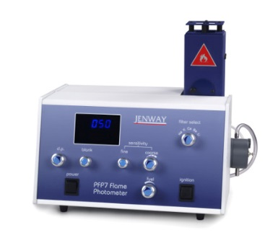 |  | 1 | Unit | 0
 | 7 | Gas cylinder stand |  | Double pieces standing | 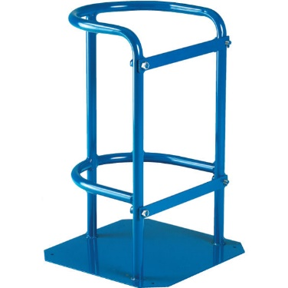 |  | 1 | Unit | 0
 | 8 | Pressure reducer | Harris | Model 825 | 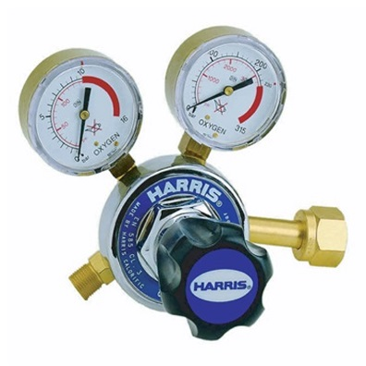 |  | 1 | Piece | 0
Moisture | 9 | Moisture analyzer | Ohaus | MB120 | 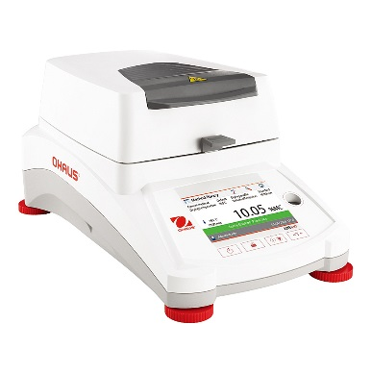 |  | 1 | Unit | 0
Lab equipment | 10 | Drying oven | Memmert | UN30 | 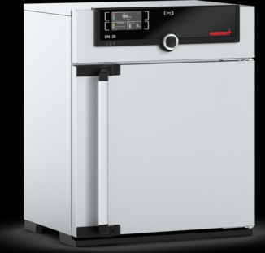 |  | 1 | Unit | 0 | 32L
 | 11 | Muffle furnaces | Nabertherm | LT15/11/B410 | 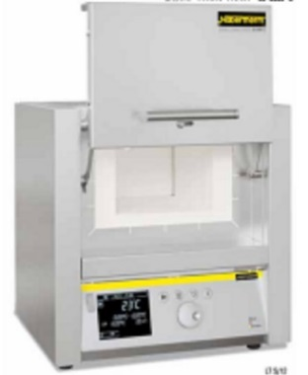 |  | 1 | Unit | 0 | 15L, lift door
 | 12 | Precision Balance | Ohaus | PA4102 |  |  | 1 | Unit | 0 | 4,100g/0.01g
 | 13 | Analytical Balance | Ohaus | PA214 | 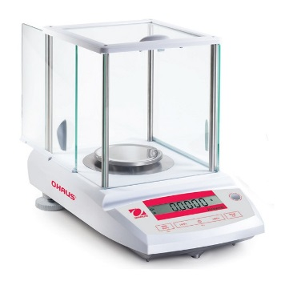 |  | 1 | Unit | 0 | 220g/0.1mg
 | 14 | Pure water system | YAMATO | WG250B | 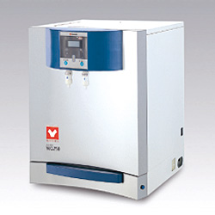 |  | 1 | Unit | 0
 | 15 | pH meter | Horiba | F-72S | 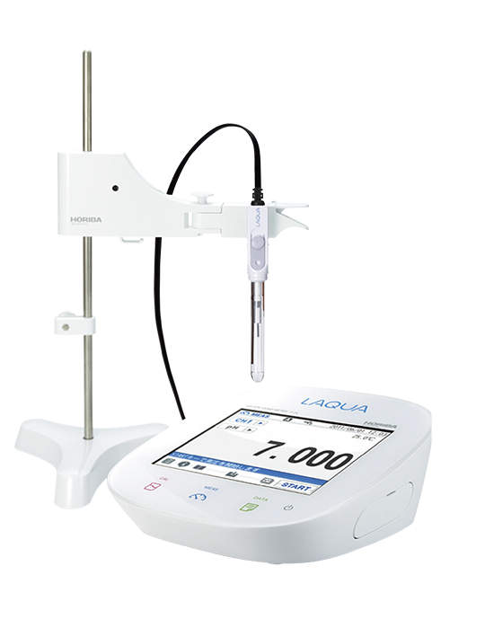 |  | 1 | Unit | 0
 | 16 | EC meter | Horiba | DS - 71 G | 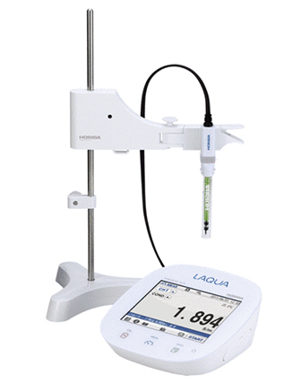 |  | 1 | Unit | 0
 | 17 | Draft chamber | BestLab | BLH12/BLH16/BLH18 | 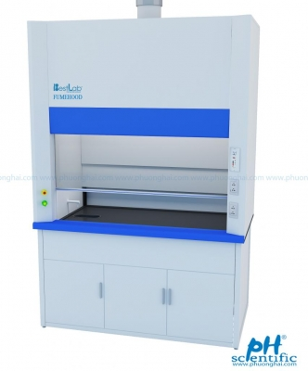 |  | 1 | Unit | 0 | 1.2 meters 1.6 meters 1.8 meters
 | 18 | Vacuum pump | Rocker | Rocker 300 | 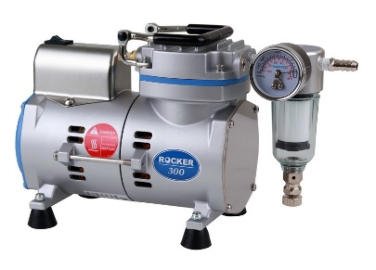 |  | 1 | Unit | 0 | For vacuum filtration
 | 19 | Laboratory center table | LAM VIET |  |  |  | 1 | Unit | 0 | W3600xD1500xH800-1500
 | 20 | Laboratory table | LAM VIET | LV- 1203 |  |  | 12 | Unit | 0 | W1200xD750xH800
 | 21 | Laboratory chairs | PHUONG HAI | LCSS | 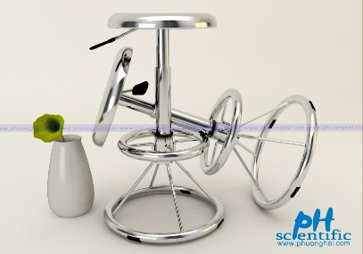 |  | 10 | Unit | 0 | SUS304
 | 22 | Refined chemical cabinet | LAM VIET | LV-CS 1200 N | 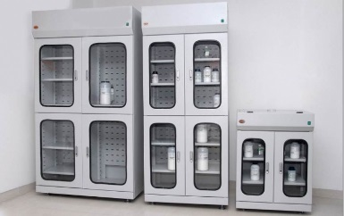 |  | 3 | Unit | 0 | W900xD550xH1950
 | 23 | Lab instrument cabinet | PHUONG HAI |  | 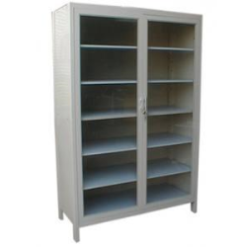 |  | 3 | Unit | 0 | For glass ware W1200xD400xH1800
 | 24 | Balance table | PHUONG HAI |  | 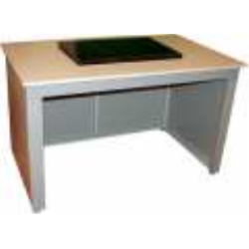 |  | 1 | Unit | 0 | W750 x D750 x H800 mm
 | 25 | Sink cabinet | LAM VIET |  | 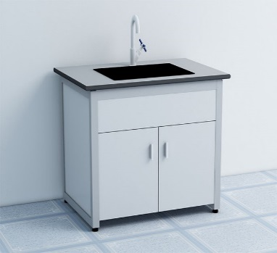 |  | 3 | Unit | 0 | 3 faucets
 | 26 | Refrigerator | Haier | HYC-940 | 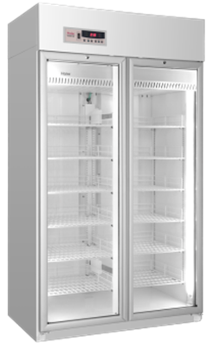 |  | 1 | Unit | 0
 | 27 | Desiccator | DURAN |  | 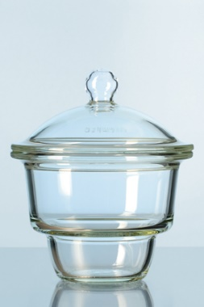 |  | 2 | Unit | 0
 | 28 | Drying shelf | LAM VIET |  | 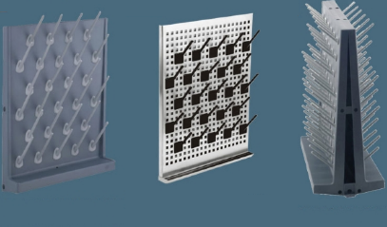 |  | 1 | Unit | 0
 | 29 | Electric hot plate | ACE | ACE-75S | 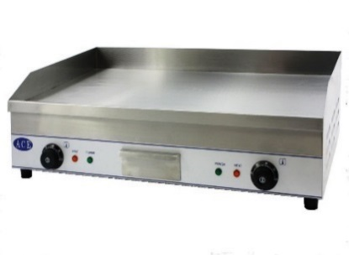 |  | 1 | Unit | 0
 | 30 | Hot plate | VELP | REC | 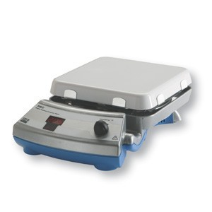 |  | 2 | Unit | 0
 | 31 | Hotplate Stirrer | VELP | AREC.X | 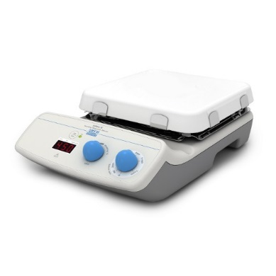 |  | 1 | Unit | 0
 | 32 | Magnetic stirrer | VELP | AGE | 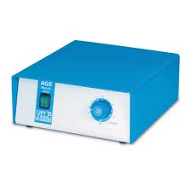 |  | 2 |  | 0
 | 33 | Stir bar |  | 25 mm x 7 mm | 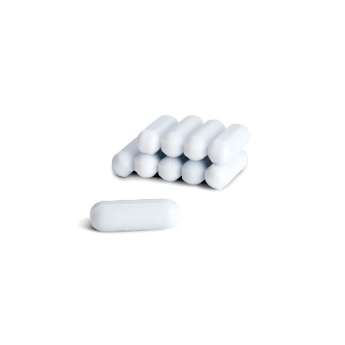 |  | 10 | Piece | 0
 | 34 | Constant temperature water bath | Memmert | WNB29 |  |  | 1 | Unit | 0
 | 35 | Crucible tongs | - |  | 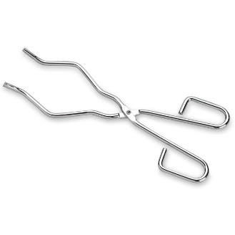 |  | 3 | Piece | 0
 | 36 | Porcelain crucible with lid | Marienfeld | Φ40 ͯ 25mm | 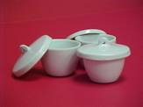 |  | 12 | Piece | 0
 | 37 | Wire gauze (with asbestos center) |  |  | 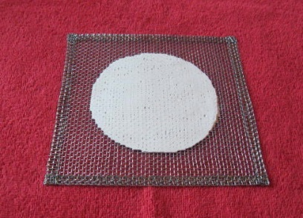 |  | 12 | Piece | 0
 | 38 | Mortar and pestle |  |  | 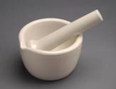 |  | 1 | Unit | 0
 | 39 | Sieve | Haver & Boecker | 2 mm | 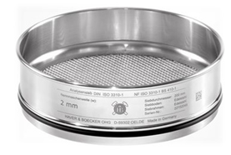 |  | 5 | Piece | 0 | Stainless steel
 | 40 | Humidity meter |  | HTC-2 | 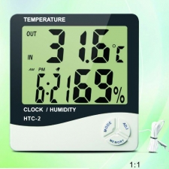 |  | 1 | Piece | 0
 | 41 | Laboratory brushes |  |  | 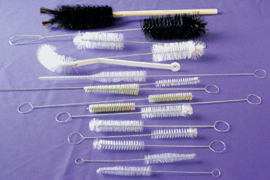 |  | 10 | Unit | 0
 | 42 | Pipette stand |  |  | 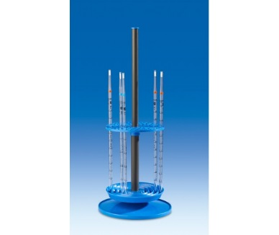 |  | 4 | Piece | 0
 | 43 | Micropipette stand |  |  | 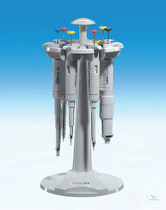 |  | 1 | Piece | 0
 | 44 | Burette stand with clamp |  |  |  |  | 3 | Piece | 0
 | 45 | Tray |  |  |  |  | 10 | Piece | 0
 | 46 | Funnel stand |  |  |  |  | 5 | Piece | 0
 | 47 | Spatula |  | 240㎜ |  |  | 10 | Piece | 0
 | 48 | Glass cell |  | 10㎜ |  |  | 8 | Piece | 0
 | 49 | Silicon dropper |  | 5mL |  |  | 10 | Piece | 0
 | 50 | Silicon dropper |  | 10mL |  |  | 10 | Piece | 0
Glass ware | 51 | Beaker | DURAN | 100mL |  |  | 12 | Piece | 0
 | 52 | Beaker | DURAN | 300mL |  |  | 12 | Piece | 0
 | 53 | Beaker | DURAN | 500mL |  |  | 6 | Piece | 0
 | 54 | Beaker | DURAN | 1000mL |  |  | 6 | Piece | 0
 | 55 | Heat-resistant beaker | DURAN | 250 mL |  |  | 20 | Piece | 0
 | 56 | Erlenmeyer flask | DURAN | 300mL |  |  | 12 | Piece | 0 | Heat-resistant
 | 57 | Erlenmeyer flask | DURAN | 500mL |  |  | 6 | Piece | 0
 | 58 | Erlenmeyer flask | DURAN | 1000mL |  |  | 6 | Piece | 0
 | 59 | Conical flask | DURAN | 300mL |  |  | 12 | Piece | 0
 | 60 | Watch glass | - | φ80mm |  |  | 10 | Piece | 0
 | 61 | Watch glass | - | φ125mm (120mm) |  |  | 10 | Piece | 0
 | 62 | Volumetric flask | DURAN | 50mL |  |  | 24 | Piece | 0
 | 63 | Volumetric flask | DURAN | 100mL |  |  | 24 | Piece | 0
 | 64 | Volumetric flask | DURAN | 200mL |  |  | 12 | Piece | 0
 | 65 | Volumetric flask | DURAN | 250mL |  |  | 12 | Piece | 0
 | 66 | Volumetric flask | DURAN | 500mL |  |  | 6 | Piece | 0
 | 67 | Volumetric flask | DURAN | 1000mL |  |  | 4 | Piece | 0
 | 68 | Graduated cylinder | DURAN | 50mL |  |  | 6 | Piece | 0
 | 69 | Graduated cylinder | DURAN | 100mL |  |  | 6 | Piece | 0
 | 70 | Graduated cylinder | DURAN | 250mL |  |  | 6 | Piece | 0
 | 71 | Graduated cylinder | DURAN | 1000mL |  |  | 2 | Piece | 0
 | 72 | Poly beaker | - | 300mL |  |  | 4 | Piece | 0
 | 73 | Poly beaker with grip | - | 2000mL |  |  | 6 | Piece | 0
 | 74 | Alcohol thermometer |  | -10 ~ 150oC |  |  | 6 | Piece | 0
 | 75 | Mercury thermometer |  | -10 ~ 150oC |  |  | 6 | Piece | 0
 | 76 | Glass rod | - | - |  |  | 10 | Piece | 0
 | 77 | Burette | DURAN | 10 mL |  |  | 6 | Piece | 0
 | 78 | Burette | DURAN | 25 mL |  |  | 6 | Piece | 0
 | 79 | Automatic burette | DURAN | 25mL |  |  | 2 | Unit | 0
 | 80 | Komagome pipette | DURAN | 5mL |  |  | 10 | Piece | 0
 | 81 | Komagome pipette | DURAN | 10mL |  |  | 10 | Piece | 0
 | 82 | Measuring pipette | DURAN | 5mL |  |  | 10 | Piece | 0
 | 83 | Measuring pipette | DURAN | 10mL |  |  | 10 | Piece | 0
 | 84 | Volumetric pipette | DURAN | 5mL |  |  | 10 | Piece | 0
 | 85 | Volumetric pipette | DURAN | 10mL |  |  | 10 | Piece | 0
 | 86 | Volumetric pipette | DURAN | 15mL |  |  | 10 | Piece | 0
 | 87 | Volumetric pipette | DURAN | 20mL |  |  | 10 | Piece | 0
 | 88 | Volumetric pipette | DURAN | 25mL |  |  | 10 | Piece | 0
 | 89 | Funnel |  |  |  |  | 10 | Piece | 0
 | 90 | Buchner funnel |  |  |  |  | 4 | Piece | 0
 | 91 | Buchner flask |  | 500mL |  |  | 4 | Piece | 0
 |  |  |  |  |  |  |  | Total Price | 0

